1. Title Page
[Instacart Grocery Basket Analysis]

Project Name: Instacart Grocery Basket Analysis
Date: 1/15/2024
Analyst Name: Kuo Heng (Alex) Chao

Contents:
Population Flow
Consistency checks
Wrangling steps
Column derivations
Visualizations
Recommendations

Data Soruces
The Instacart Online Grocery Shopping Dataset 2017”, Accessed from www.instacart.com/datasets/grocery-shopping-2017 via Kaggle on 19.12.2023
Career Foundry: Customers
IMPORTANT: In the Instacart products dataset used for this course by CareerFoundry, both the 'Customer' and 'prices' columns have been artificially created for educational purposes.

2. Population Flow
Title page

Population flow

Exclusion flag
Condition: max_order < 5
Obervations to be removed: 1441523
Final total count of order_products_all: 30992966

Orders_products_all
Orders_products_combined
Orders_products_merged

Total: 32434489
Total: 32434489
Total: 32434489

3. Consistency checks
 |  |  |  | Title page
Consistency checks

Dataset | Missing values | Missing values treatment | Duplicates
orders | days_since_prior_order (206209) | Significant missing values indicative of primary importance were retained and not removed. | No duplicates
products | No missing values |  | No duplicates
orders_products_prior | product_name (16) | Missing values were retained because they are associated with unique identifiers. | 5 rows were deleted
customers | No missing values |  | No duplicates

*The reference is in the Appendix page

4. Wrangling steps
 |  |  |  | Title page
Wrangling steps

Columns dropped | Columns renamed | Columns' type changed | Comment/Reason
Orders
eval_set |  |  | This column was irrelevant to the data. Did not provide any significance, the column only had system information which acted as a label.
 | orders.rename(columns = {'order_dow' : 'orders_day_of_week'}, inplace = True) |  | For clarification
Orders products prior
 | orders_products_prior.rename(columns = {'add_to_cart_order' : 'add_to_cart_sequence'}, inplace = True) |  | For clarification
Products
 |  | products['product_name'] = products['product_name'].astype('str') | Original the column was of mixed data types
Customers
 | customers.rename(columns = {'n_dependants' : 'number_of_dependants'}, inplace = True) |  | For clarification
 | customers.rename(columns = {'fam_status' : 'family_status'}, inplace = True) |  | For clarification
Surnam | customers.rename(columns = {'Surenam' : 'Surname'}, inplace = True) |  | Correction of incorrect spelling
 |  | customers['date_joined'] = pd.to_datetime(customers['date_joined']) | To be included in the describe output

5. Column derivations
 |  |  |  | Title page

Column derivations and aggregations

In this tab you should add tables below that the frequences of flags/label variables that you produced after deriving them. NB: don't do this for continuous variables, only for flags.
Dataset | New column | Column/s it was derived from | Conditions
orders_products_final_step5 | max_order_number | order_number | orders_products_all['max_order_number'] = orders_products_all.groupby(['user_id'])['order_number'].transform(np.max)
 | activity_customer* | max_order_number | orders_products_all.loc[orders_products_all['max_order_number'] < 5, 'activity_customer'] = 'low'
 |  |  | orders_products_all.loc[orders_products_all['max_order_number'] >= 5, 'activity_customer'] = 'no_low'
orders_products_der_step6 | price_range_products | prices | Items in the "low-range" are those that cost five dollars or less. Products in the "mid-range" category cost more than five dollars but less than fifteen. Products costing more than fifteen dollars are classified as "high-range".
 | busiest_days | orders_day_of_week | “Busiest days” corresponding to the two busiest days of the week. At the same time, our stakeholders also like to know the two slowest days, labeled as "Least busiest days". The reamining days should be labeled as "Regular days".
 | busiest_period_of_day | order_hour_of_day | Time slots with more than 2.5 million orders will be marked as "Highest Orders," as they frequently result in the app freezing. Order volume below 100,000, which doesn't interfere with the app, will be referred to as "Fewest orders." Any other time will be categorized as "Normal Orders".
 | region | state | List of regions of the United States (https://simple.wikipedia.org/wiki/List_of_regions_of_the_United_States). Only regions will be created, not divisions. A dictionary will be created to map states to regions.
 | loyalty_flag | max_order_number | Customers will be labeled as "Loyal" if they have over 40 orders. Orders exceeding 10 but not exceeding 40 will be categorized as "Regular" by the customer. Orders under ten will be classified as "New" for customers.
 | mean_price_per_user | prices | orders_products_final['mean_price_per_user'] = orders_products_final.groupby(['user_id'])['prices'].transform(np.mean)
 | type_of_spender | mean_price_per_user | Users will be labeled as "Low spenders" if their average purchase price is less than 10. Users will be labeled as "High spenders" if their average purchase price is $10 or higher.
 | median_days_since_prior_order | days_since_prior_order | orders_products_final['median_days_since_prior_order'] = orders_products_final.groupby(['user_id'])['days_since_prior_order'].transform(np.median)
 | usage_frequency | median_days_since_prior_order | Customers will be categorized as "Non-frequent customers" if their median "days_since_prior_order" is more than 20 days. In the event that the median is greater than 10 but less than 20 days, the client will be referred to as a "Regular customer." Customers will be classified as "Frequent customers" if their median "days_since_prior_order" is 10 days or less.
orders_products_cust_step7 | age_profile | age | If the user is under the age of 26, they will be labeled as a "young adult".
 |  |  | If the user is 26 and under the age of 65, they will be classified as a "Adult".
 |  |  | Users aged 65 and up will be labeled as "retired".
 | dependents_profile | number_of_dependents | If the user does not have any dependents (=0), they will be labeled as "No kids".
 |  |  | If the user has one or more dependents, they will be labeled as "With kids".
 | income_profile | income | Users with annual incomes of $60,000 or less will be labeled as "low income".
 |  |  | Users with incomes between $60,000 and $250,000 will be labeled as "Middle income".
 |  |  | Users with incomes of $250,000 or more will be labeled as "high income".
 | customer_profile | age_profile, dependents_profile and income_profile | Concatenation of three variables.

6. Visualizations
 | Title page

Visualisations

Customer Profile Questions

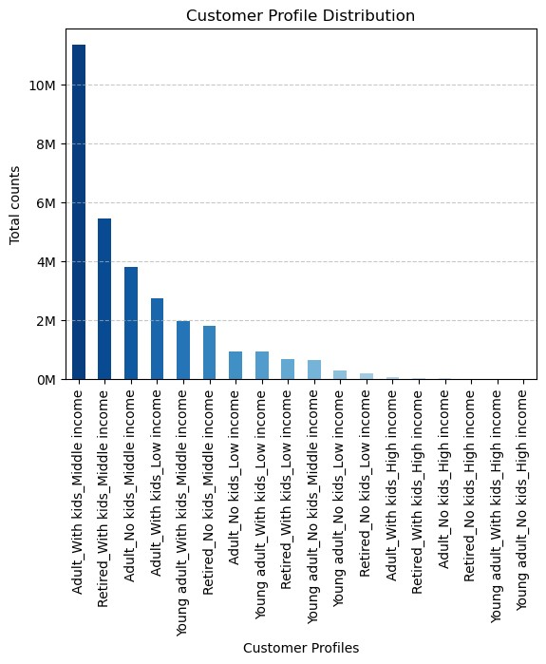

The bar chart titled "Customer Profile Distribution" illustrates the counts of various customer profiles segmented by age, family status, and income level. The most numerous group is "Adult, With Kids, Middle Income," followed by "Adult, With Kids, Low Income." There are more middle-income adults without kids than those in the low or high-income brackets. Young adults without kids outnumber those with kids across all income levels, especially in the low-income category. High-income customers and retirees form the smallest segments of this distribution.

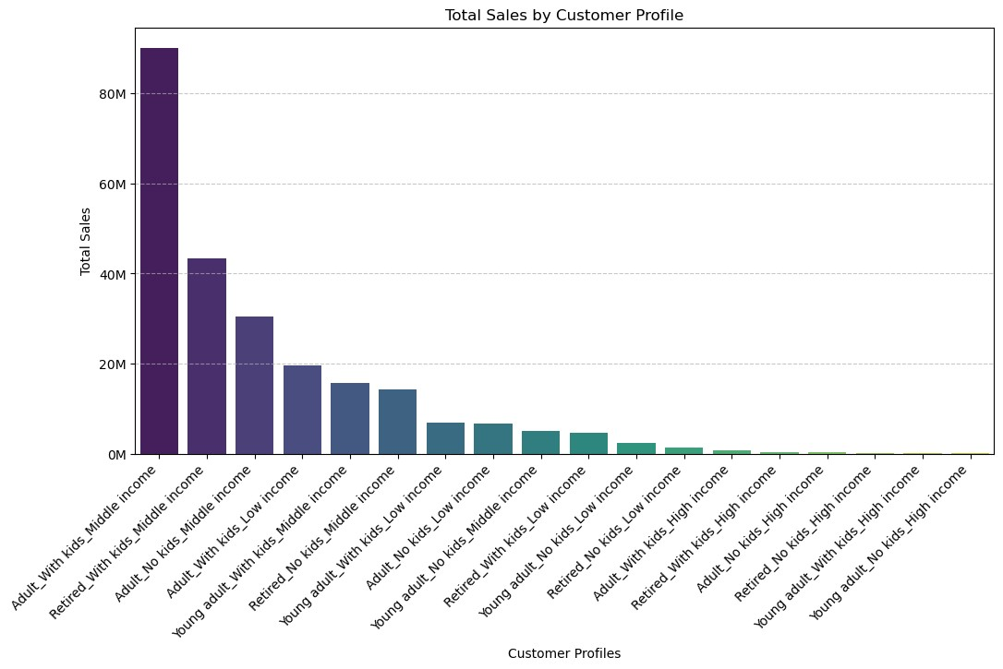

The bar chart "Total Sales by Customer Profile" categorizes sales data based on customer demographics. It reveals that adults with middle-income children generate the most sales volume. This group is followed by middle-income adults without children, who account for a significant portion of total sales. Sales by young adults, regardless of parental status, and retirees at all income levels are significantly lower. Notably, high-income brackets across all demographic groups account for the fewest sales, implying that, despite their small size, middle-income groups have a greater impact on total sales.

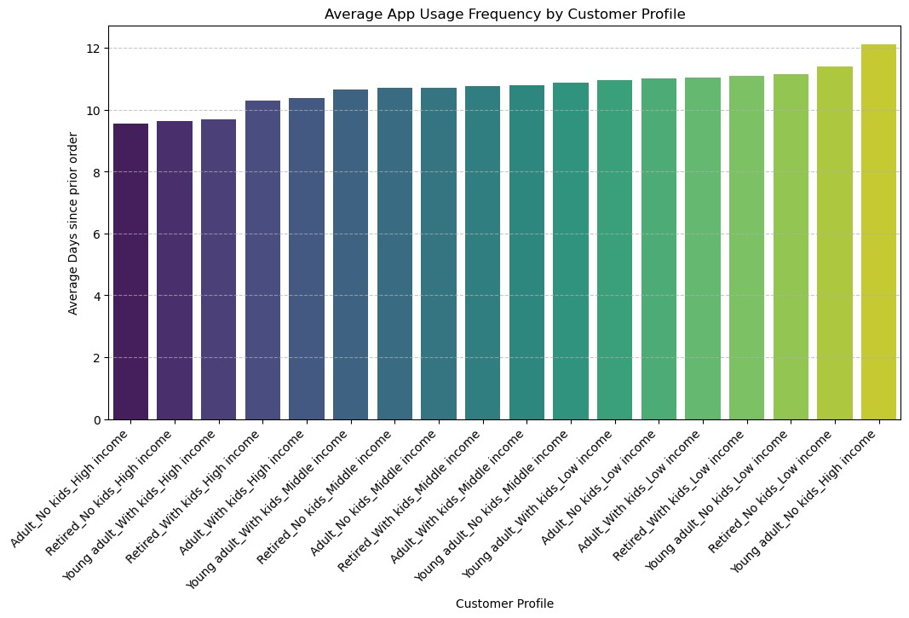

The bar chart, "Average App Usage Frequency by Customer Profile," quantifies the number of days since the previous order in relation to customer demographics. Customers who are retired, have no children, and earn a high income appear to use the app the most frequently, with the fewest average days between orders. On the other end of the spectrum, high-income adults with children use the fewest apps. Regardless of age or family status, middle-income profiles have relatively consistent usage frequencies. Low-income customers, particularly retirees and young adults without children, are more engaged with apps than their higher-income counterparts.

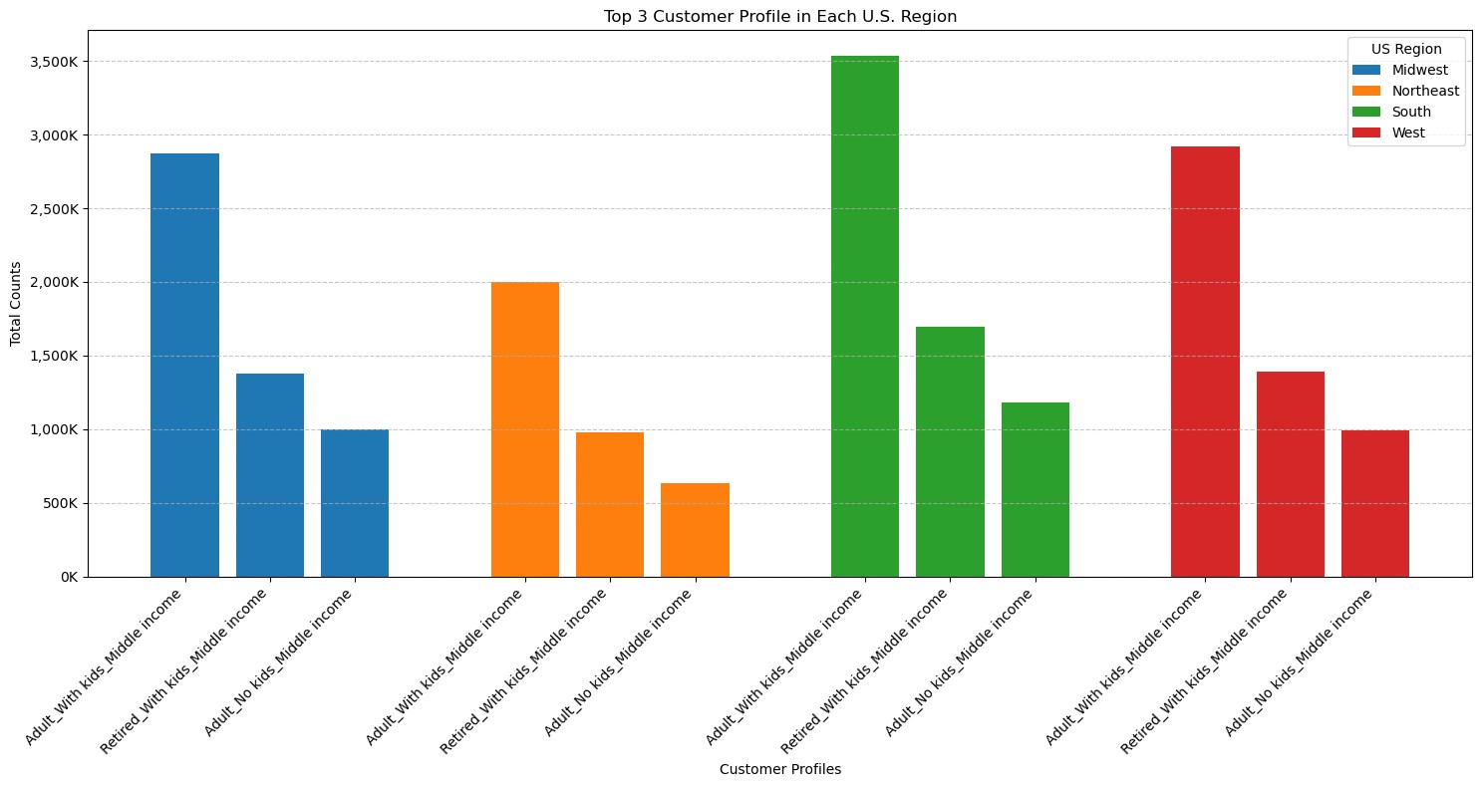

The chart "Top 3 Customer Profiles in Each U.S. Region" shows the distribution of customer profiles across four U.S. regions: the Midwest, Northeast, South, and West. In the Midwest, the leading profile is "Adult, With Kids, Middle Income," whereas in the Northeast, "Retired, With Kids, Middle Income" is dominant. The South, like the Midwest, has the most "Adult, With Kids, Middle Income" customers. The West follows a distinct pattern, with the most common profile being "Retired, With Kids, Middle Income". Each region's top three profiles are entirely made up of middle-income individuals, with a mix of adults with children, retired with children, and adults without children.

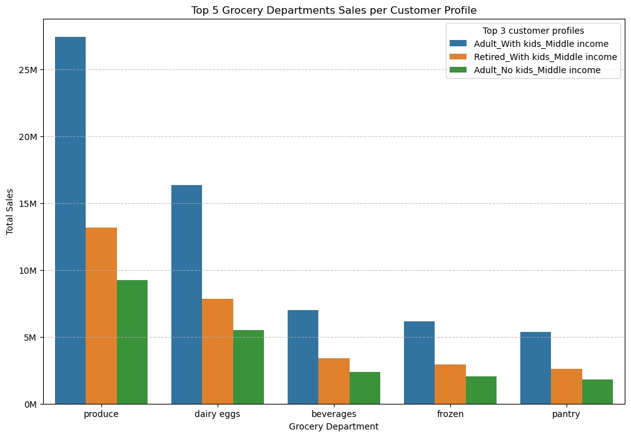

The bar chart, titled "Top 5 Grocery Departments Sales per Customer Profile," depicts sales data from five grocery departments among middle-income customers. Adults with children are the most frequent purchasers in all departments, particularly in produce, where their spending far outstrips that of other groups. While adults with children also dominate in dairy, eggs, beverages, frozen, and pantry categories, retired people with children and adults without children have similar, albeit lower, purchasing habits. The chart shows that having children has a significant impact on grocery spending in the middle-income bracket.

Stakeholder Key Research Report

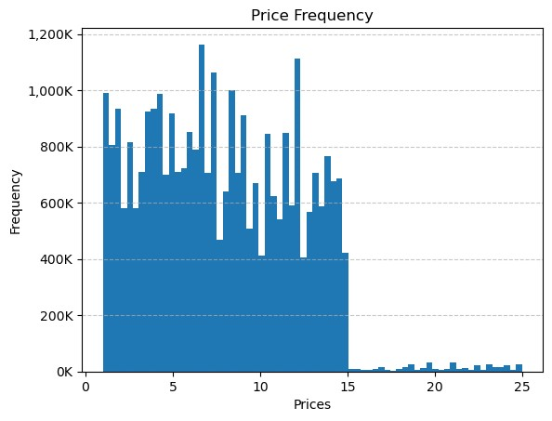
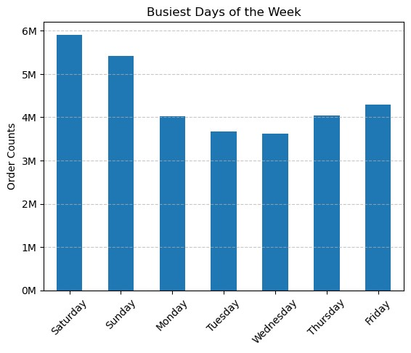

The first chart, "Price Frequency," displays a histogram of price occurrences, indicating a high frequency of items priced between $0 and $5, which decreases as prices rise. The second chart, "Busiest Days of the Week," depicts a bar graph of order counts, with Saturday having the most orders, followed closely by Sunday, while mid-week days have a significantly lower number of orders, with a slight increase on Friday. Both charts indicate that lower-priced items are purchased more frequently, and shopping activity peaks on weekends.

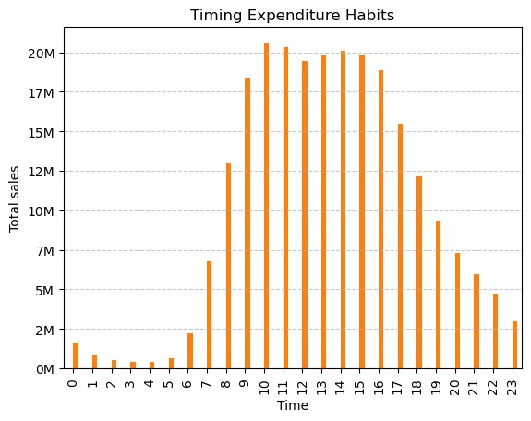

The chart titled "Timing Expenditure Habits" depicts total sales volume at various times of the day. Sales begin relatively low in the early hours, gradually increasing and peaking during the midday hours—specifically, between 10 a.m. and around 2 p.m. Following this peak, there is a noticeable decline, with a smaller secondary peak appearing around 5 PM, possibly indicating a trend in post-work shopping. The sales then drop significantly in the evening and late night hours. This pattern suggests that the peak shopping activity occurs during typical lunch hours, with a smaller surge in the early evening.

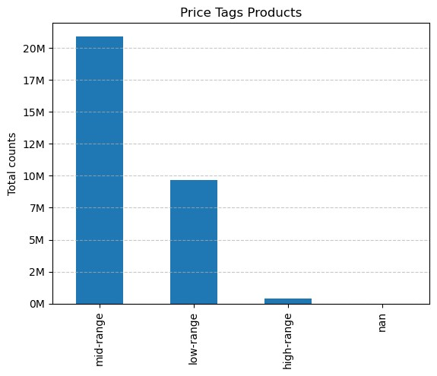

The bar chart "Price Tags Products" divides products into three price categories: mid-range, low-range, and high-range. It reveals that mid-range products have the highest total count, exceeding 20 million, indicating that they are the most popularly purchased. Low-range products follow, with total counts roughly half those of mid-range products. High-range products have the lowest counts, indicating that they are the least popular.

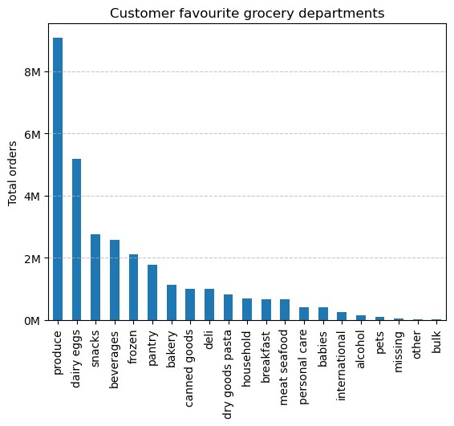

The bar chart titled "Customer favorite grocery departments" ranks the departments according to total order volume. Produce is the clear favorite, with significantly more orders than the next two departments, dairy and eggs. Snacks, beverages, frozen, pantry, bakery, canned goods, deli, dry goods pasta, and breakfast are listed in descending order, with each receiving a moderate number of orders. Meat, seafood, personal care, international, alcohol, missing, pets, and bulk departments receive the fewest orders, indicating that they are less popular with customers. This pattern indicates that customers prefer fresh food departments and staples to specialty or non-food items.

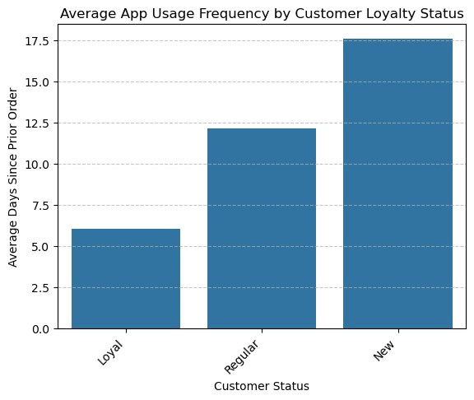
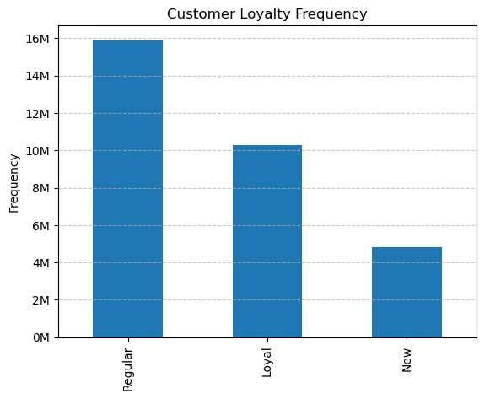

When viewed together, the two bar charts provide insights into customer engagement and loyalty. The first chart, "Customer Loyalty Frequency," shows that 'Regular' customers account for the majority of the business, with 'Loyal' and 'New' customers following suit. The second chart, "Average App Usage Frequency by Customer Loyalty Status," shows app usage frequency in reverse, with 'New' customers having the longest average interval since their last order, 'Regular' customers having a moderate frequency, and 'Loyal' customers using the app most frequently with the shortest intervals between orders. This combined data indicates that, while 'Regular' customers are the most numerous, 'Loyal' customers use the app more frequently, and 'New' customers are currently the least engaged.

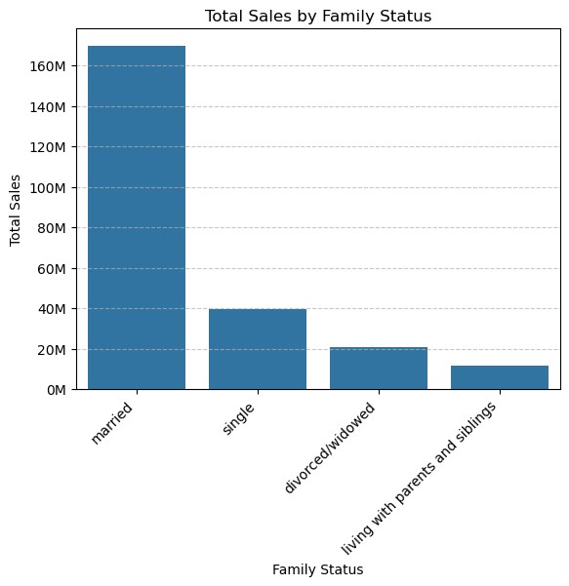

The bar chart "Total Sales by Family Status" depicts the sales volume associated with various family statuses. Married customers generate the most sales, far outpacing the other categories, indicating that this demographic is the most profitable for the business. Singles rank second, accounting for less than one-third of married customers' sales volume. Divorced or widowed customers, followed by those living with parents and siblings, account for even smaller portions of total sales. This data suggests that family status, particularly marriage, is associated with higher sales volumes in this dataset.

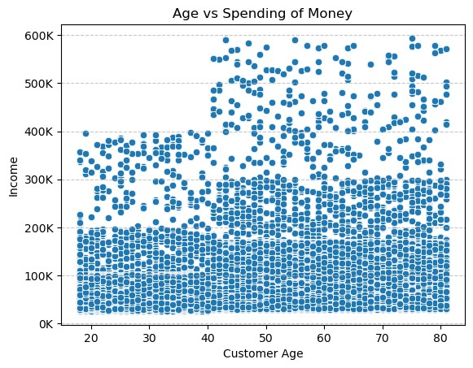

The scatter plot titled "Age vs Spending of Money" shows customer income versus age. The distribution of points suggests that there isn't a strong, consistent relationship between age and income, as data points are spread out across all age groups. There appears to be a concentration of data points in the lower income bracket at all ages, with some outliers in the higher income brackets that do not follow any age trend. The plot shows that, while income varies by customer, there is no clear increase or decrease with age. This could imply that customer spending is relatively consistent across ages, or that income levels are not strongly influenced by the age of the customers in this dataset.

7. Recommendations
 |  |  | Title page

Recommendations

Question | Visual | Recommendation
The sales team needs to know what the busiest days of the week and hours of the day are (i.e., the days and times with the most orders) in order to schedule ads at times when there are fewer orders. |  | I would recommend scheduling ads during the weekdays, particularly from Monday to Thursday when there are fewer orders. For the hours, it would be best to place ads in the early mornings before 10 AM or later in the evening after 7 PM when the shopping activity is lower. By targeting these less busy times, the sales team can reach customers when they are less likely to be occupied with shopping and may be more receptive to advertising.
They also want to know whether there are particular times of the day when people spend the most money, as this might inform the type of products they advertise at these times. |  | To optimize operations for your Instacart business, it's advisable to focus on inventory restocking and delivery personnel allocation during the peak sales hours of 10 AM to 2 PM, ensuring you meet the surge in demand. Consider incentivizing off-peak shopping by offering promotions or discounts in the early morning or late evening. Implementing dynamic pricing could further encourage customers to shop during quieter hours, potentially smoothing out the demand curve. Additionally, reinforce your customer service team to efficiently handle inquiries and maintain customer satisfaction during these busy periods. These strategies can help balance your sales distribution throughout the day and improve overall operational efficiency.
Instacart has a lot of products with different price tags. Marketing and sales want to use simpler price range groupings to help direct their efforts. | 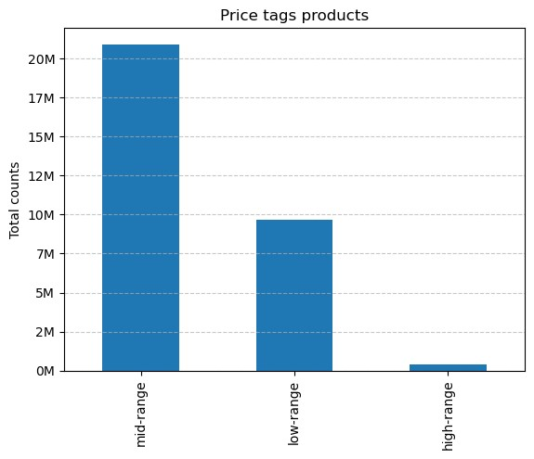 | To improve your Instacart business strategy, focus on increasing the visibility and availability of mid-range products, which are the most popular with your customers. Consider incentivizing low-cost purchases with bundle deals to increase transaction volume. For high-end products, take a targeted approach, curating a selection that appeals to customers seeking premium options. Use customer purchase data to tailor your advertising efforts, ensuring that promotions match the spending habits of specific customer segments. Personalization can improve the user experience by recommending products within the shopper's price range, encouraging repeat purchases.
Are there certain types of products that are more popular than others? The marketing and sales teams want to know which departments have the highest frequency of product orders. |  | According to the chart titled "Customer Favorite Grocery Departments," the produce department is by far the most popular with customers, with the most product orders. Dairy and eggs, as well as snacks, are very popular items. The marketing and sales teams should concentrate their efforts on these departments, using the high turnover to introduce promotions, upselling opportunities, and cross-selling with other departments. Departments with low order frequencies, such as alcohol, international, and bulk, may benefit from targeted campaigns to increase visibility and sales. Understanding these trends will enable more strategic stock management and marketing initiatives based on customer preferences.
The marketing and sales teams are particularly interested in the different types of customers in their system and how their ordering behaviors differ.
 |  | To enhance the effectiveness of marketing and sales initiatives, it is crucial to consider the distinct behaviors of different customer segments. Implementing a robust loyalty program can convert 'Regular' customers, who form the largest group, into 'Loyal' customers, thereby increasing their purchase frequency and value. Tailored marketing campaigns should focus on the 'Married' and 'Adult with Kids' segments, which are the most lucrative, by promoting family-oriented products and bulk purchases, especially in high-volume departments like produce, dairy, and snacks. For 'New', 'Single', or 'Divorced/Widowed' customers, introductory offers and targeted advertising could foster loyalty and elevate their customer status. Utilizing data analytics to discern and cater to the purchasing preferences within each category can significantly personalize the shopping experience, leading to increased customer satisfaction and sales.

